Restfull Api
TestID | Scenario | Test Case | Pre Condition | Test Type | Test Data | Test Step | expected result | actual result | Manual Test | Automation Test | execution date | Screenshoots Manual | Screenshoots Automation
TCL_001 | Register | Register using a valid full name, email and password | 1. Connected internet 2. already in the postman | Positive | { "email":"gitagita1@gmail.com", "password":"gitagita1", "fullname":"Gitai" } | 1. Enter the endpoints https://altashop-api.fly.dev/api/auth/register 2. Set the POST method 3. Click send | registered successfully | registered successfully | Passed | Passed | 24/04/2023 | 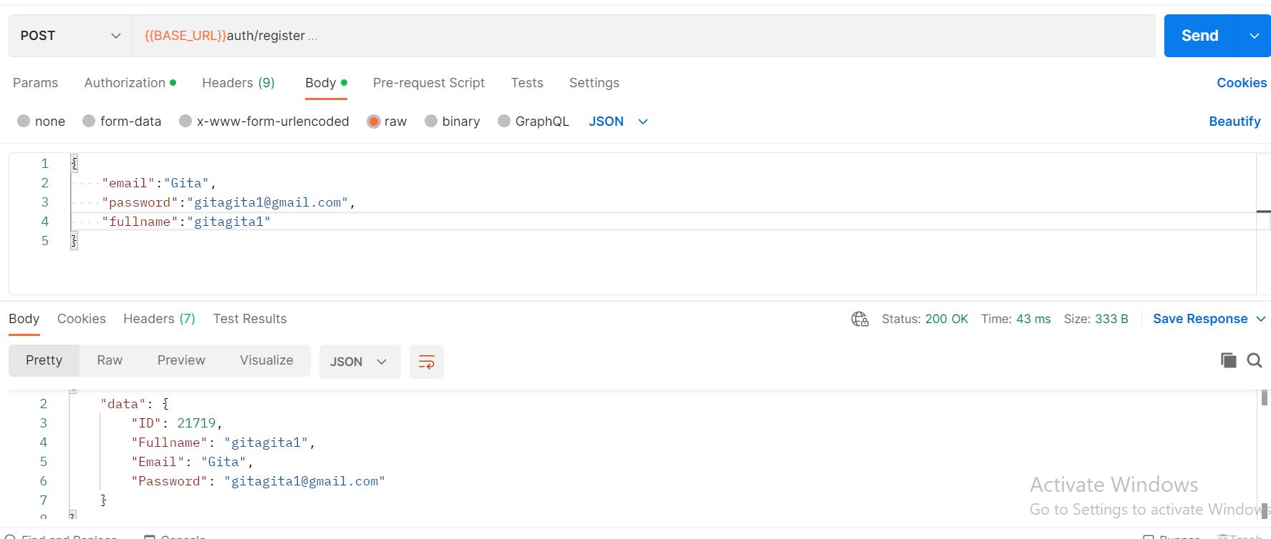 | 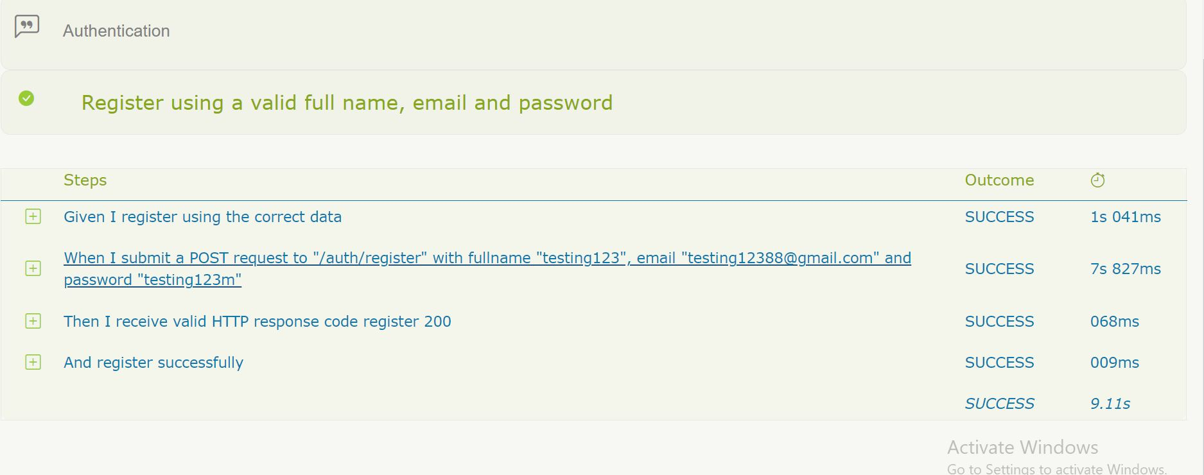
TCL_002 |  | register without a full name | 1. Connected internet 2. already in the postman | Negative | { "email":"gita123@gmail.com", "password":"gitaleoni123", "fullname":"" } | 1. Enter the endpoints https://altashop-api.fly.dev/api/auth/register 2. Set the POST method 3. Click send | failed to register | registration failed, the error message "full name is required" appears | Passed |  | 24/04/2023
TCL_003 |  | register without using email | 1. Connected internet 2. already in the postman | Negative | { "email":"", "password":"gitaleoni123", "fullname":"Gita" } | 1. Enter the endpoints https://altashop-api.fly.dev/api/auth/register 2. Set the POST method 3. Click send | failed to register | registration failed, the error message "email is required" appears | Passed |  | 24/04/2023
TCL_004 |  | register without using password | 1. Connected internet 2. already in the postman | Negative | { "email":"gita@gmail.com", "password":"", "fullname":"Gita" } | 1. Enter the endpoints https://altashop-api.fly.dev/api/auth/register 2. Set the POST method 3. Click send | failed to register | registration failed, the error message "password is required" appears | Passed |  | 24/04/2023

TCL_005 | Login | Login with registered or correct email and password | 1. Connected internet 2. already in the postman | Positive | { "email":"Fripta21@gmail.com", "password":"Fripta34" } | 1. Enter the endpoints https://altashop-api.fly.dev/api/auth/login 2. Set the POST method 3. Click send | successfully login and get token | successfully login and get token | Passed | Passed | 24/04/2023
TCL_006 |  | login with invalid password | 1. Connected internet 2. already in the postman | Negative | { "email":"Fripta21@gmail.com", "password":"Fripta" } | 1. Enter the endpoints https://altashop-api.fly.dev/api/auth/login 2. Set the POST method 3. Click send | login unsuccessful and get error message "invalid email or password" | login unsuccessful and get error message "invalid email or password" | Passed |  | 24/04/2023
TCL_007 |  | login with invalid email | 1. Connected internet 2. already in the postman | Negative | { "email":"Fripta21gmail.com", "password":"Fripta" } | 1. Enter the endpoints https://altashop-api.fly.dev/api/auth/login 2. Set the POST method 3. Click send | login unsuccessful and get error message "record not found" | login unsuccessful and get error message "record not found" | Passed |  | 24/04/2023
TCL_008 |  | login with invalid http method | 1. Connected internet 2. already in the postman | Negative | { "email":"Fripta21@gmail.com", "password":"Fripta34" } | 1. Enter the endpoints https://altashop-api.fly.dev/api/auth/login 2. Set the POST method 3. Click send | login failed, not found | login failed, not found | Passed |  | 24/04/2023
TCL_009 |  | Get user information | 1. Connected internet 2. already in the postman | Positive |  | 1. Enter the endpoints https://altashop-api.fly.dev/api/auth/login 2. Set the GET method 3. Click send | success getting user information | success getting user information | succes | succes | 24/04/2023
TCL_010 |  | Get user information without token | 1. Connected internet 2. already in the postman | Negative |  | 1. Enter the endpoints https://altashop-api.fly.dev/api/auth/login 2. Set the GET method 3. Click send | Failed to get user information "error": "token contains an invalid number of segments" | Failed to get user information "error": "token contains an invalid number of segments" | Passed |  | 24/04/2023

TCL_011 | Produtcs | Add new product | 1. Connected internet 2. already in the postman | Positive | { "name":" Hp Core i5", "description":"play has no limits", "price":6000000, "categories":[ 5 ] } | 1. Enter the endpoints https://altashop-api.fly.dev/api/auth/login 2. Set the POST method 3. Click send | successfully added product | successfully added product | Passed | Passed | 25/04/2023
TCL_012 |  | Add a product without entering a name products | 1. Connected internet 2. already in the postman | Negative | { "name":" ", "description":"play has no limits", "price":6000000, "categories":[ 5 ] } | 1. Enter the endpoints https://alta-shop.herokuapp.com/api/products 2. Set the POST method 3. Click send | Unable to add product | Unable to add product | Passed |  | 25/04/2023
TCL_013 |  | add products by simply filling in spaces in the product name | 1. Connected internet 2. already in the postman | Negative |  | 1. Enter the endpoints https://alta-shop.herokuapp.com/api/products 2. Set the POST method 3. Click send | Unable to add product | product added successfully | failed |  | 25/04/2023 | 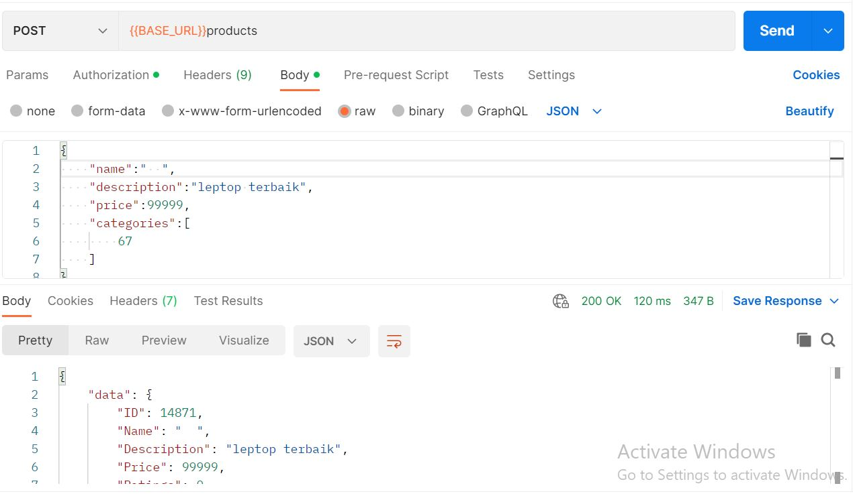
TCL_014 |  | Add a product without entering a description | 1. Connected internet 2. already in the postman | Negative | { "name":" Hp Core i5", "description":"", "price":6000000, "categories":[ 5 ] } | 1. Enter the endpoints https://alta-shop.herokuapp.com/api/products 2. Set the POST method 3. Click send | managed to save | failed to save without filling in the description | failed |  | 25/04/2023
TCL_015 |  | add new products without filling in the price | 1. Connected internet 2. already in the postman | Negative | { "name":" Hp Core i5", "description":"play has no limits", "price":, "categories":[ 5 ] } | 1. Enter the endpoints https://alta-shop.herokuapp.com/api/products 2. Set the POST method 3. Click send | failed to add product, error | failed to add product, error | Passed |  | 25/04/2023
TCL_016 |  | Get All Produtcs | 1. Connected internet 2. already in the postman | Positive |  | 1. Enter the endpoints https://alta-shop.herokuapp.com/api/products 2. Set the GET method 3. Click send | get all product data and get response 200 | get all product data and get response 200 | Passed | Passed | 25/04/2023 | 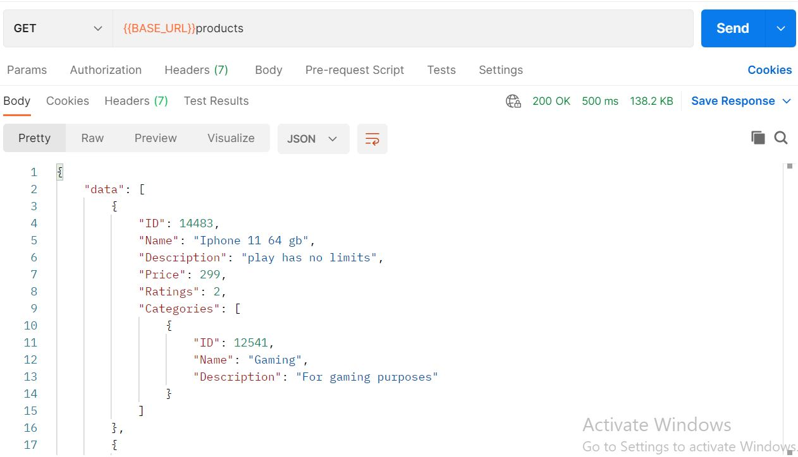 | 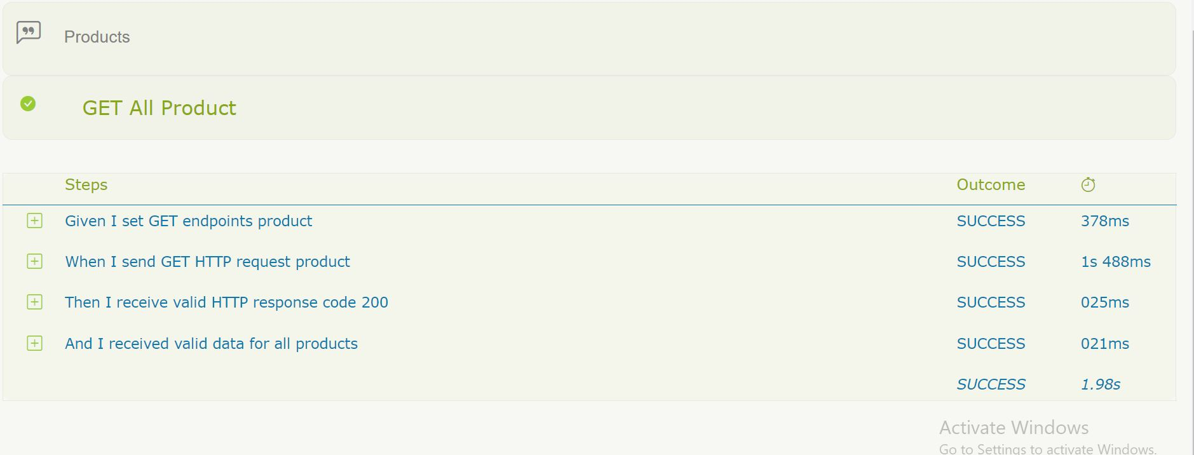
TCL_017 |  | get product using invalid endpoint | 1. Connected internet 2. already in the postman | Negative |  | 1. Enter the endpoints https://alta-shop.herokuapp.com/api/prod 2. Set the GET method 3. Click send | Unable to view product data | Unable to view product data | Passed |  | 25/04/2023
TCL_018 |  | Get Produtcs by Id | 1. Connected internet 2. already in the postman | Positive | product id = 11298 | 1. Enter the endpoints https://alta-shop.herokuapp.com/api/products/11298 2. Set the Get method 3. Click send | managed to see product with id 11298 and get response 200 | managed to see product with id 11298 and get response 200 | Passed | Passed | 25/04/2023
TCL_019 |  | Get Product by invalid id | 1. Connected internet 2. already in the postman | Negative | product id = 5 | 1. Enter the endpoints https://alta-shop.herokuapp.com/api/products/5 2. Set the Get method 3. Click send | Record not found code respon 404 | Record not found code respon 404 | Passed |  | 25/04/2023
TCL_020 |  | Get products ratting | 1. Connected internet 2. already in the postman | Positive |  | 1. Enter the endpoints https://alta-shop.herokuapp.com/api/products/2/ratings 2. Set the Get method 3. Click send | managed to see rating data | managed to see rating data | Passed | Passed | 25/04/2023
TCL_021 |  | post product rating | 1. Connected internet 2. already in the postman | Positive |  | 1. Enter the endpoints https://alta-shop.herokuapp.com/api/products/2/ratings 2. Set the Get method 3. Click send | success added rating | success added rating | Passed | Passed | 25/04/2023
TCL_022 |  | Get products comments | 1. Connected internet 2. already in the postman | Positive |  | 1. Enter the endpoints https://alta-shop.herokuapp.com/api/products/2/comments 2. Set the Get method 3. Click send | managed to see product comments | managed to see product comments | Passed | Passed | 25/04/2023
TCL_023 |  | post product comment | 1. Connected internet 2. already in the postman | Positive |  | 1. Enter the endpoints https://alta-shop.herokuapp.com/api/products/2/comments 2. Set the Get method 3. Click send | success added a comment | success added a comment | Passed | Passed | 25/04/2023
TCL_024 |  | Delete Product | 1. Connected internet 2. already in the postman | Positive | product id = 11271 | 1. Enter the endpoints https://alta-shop.herokuapp.com/api/products/11271 2. Set the DEL method 3. Click send | successfully deleted the product | successfully deleted the product | Passed | Passed | 25/04/2023
TCL_025 |  | Delete Product with invalid id | 1. Connected internet 2. already in the postman | Negative | product id = o | 1. Enter the endpoints https://alta-shop.herokuapp.com/api/products/0 2. Set the DEL method 3. Click send | Unable to remove product | Unable to remove product | Passed |  | 25/04/2023

TCL_026 | categories | Add new category | 1. Connected internet 2. already in the postman | Positive | { "name":"cake", "description":"very delicious brownies" } | 1. Enter the endpoints https://alta-shop.herokuapp.com/api/categories 2. Set the POST method 3. Click send | successfully added category | successfully added category | Passed | Passed | 25/04/2023 |  | 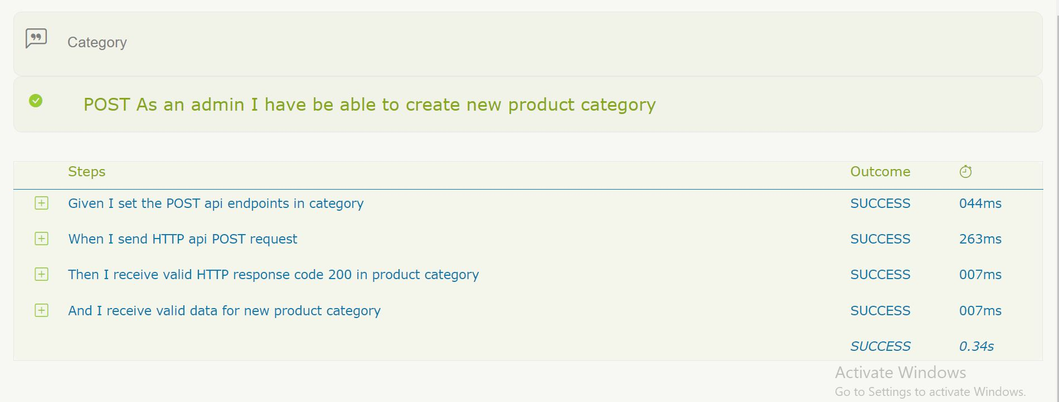
TCL_027 |  | Add a new category without entering a category name | 1. Connected internet 2. already in the postman | Negative | { "name":"", "description":"very delicious brownies" } | 1. Enter the endpoints https://alta-shop.herokuapp.com/api/categories 2. Set the POST method 3. Click send | failed to add category | failed to add category | Passed |  | 25/04/2023
TCL_028 |  | Add a new category without entering a category deskription | 1. Connected internet 2. already in the postman | Positive | { "name":"mie", "description":"" } | 1. Enter the endpoints https://alta-shop.herokuapp.com/api/categories 2. Set the POST method 3. Click send | successfully added category | successfully added category | Passed |  | 25/04/2023
TCL_029 |  | Get All category | 1. Connected internet 2. already in the postman | Positive |  | 1. Enter the endpoints https://alta-shop.herokuapp.com/api/categories 2. Set the GET method 3. Click send | managed to view category data | managed to view category data | Passed | Passed | 25/04/2023 |  | 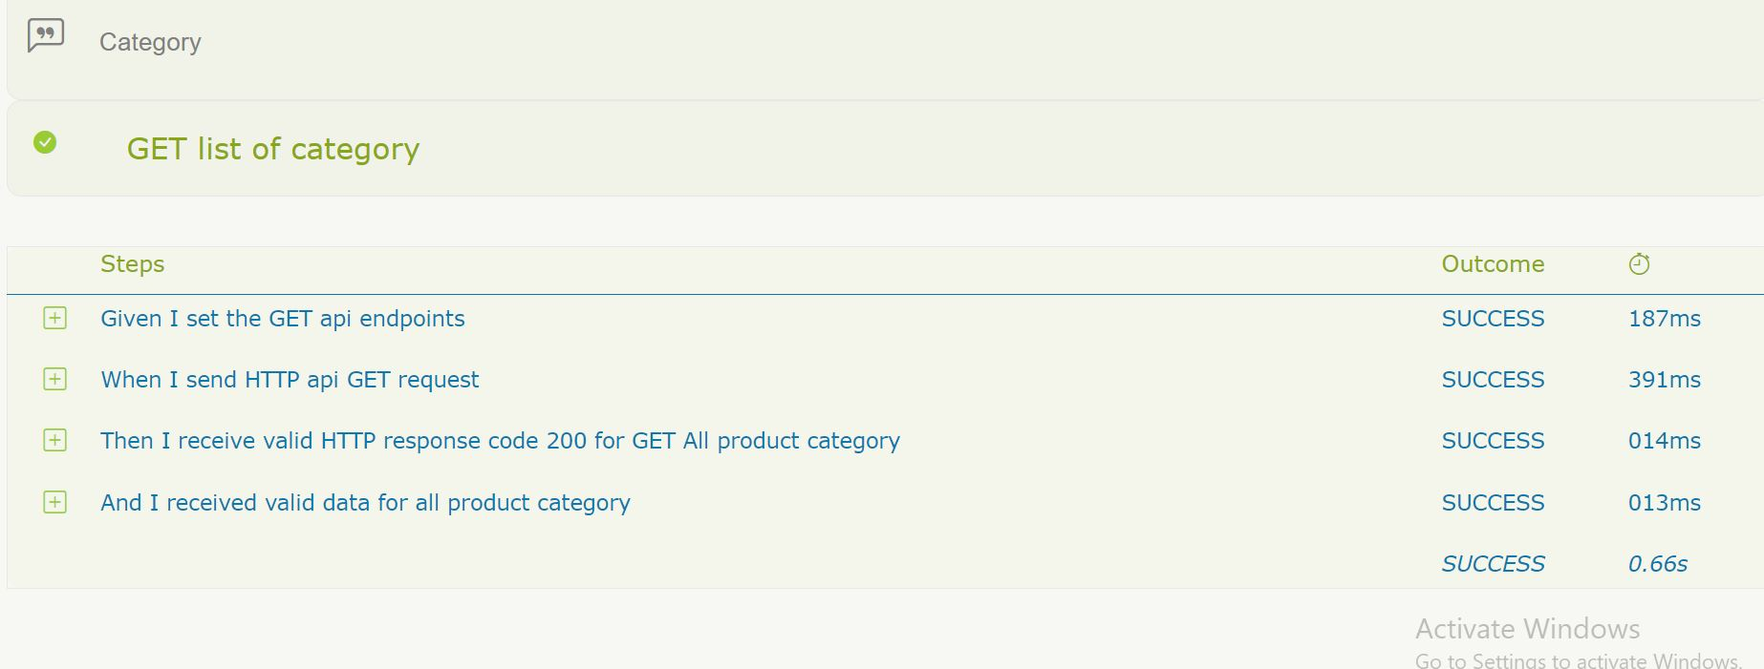
TCL_030 |  | Get All categories invalid enpoint | 1. Connected internet 2. already in the postman | Negative |  | 1. Enter the endpoints https://alta-shop.herokuapp.com/api/cate 2. Set the GET method 3. Click send | failed to view category data | failed to view category data | Passed |  | 25/04/2023
TCL_031 |  | Get category by id | 1. Connected internet 2. already in the postman | Positive | category id = 11301 | 1. Enter the endpoints https://alta-shop.herokuapp.com/api/categories/11301 2. Set the GET method 3. Click send | managed to see category data by id | managed to see category data by id | Passed | Passed | 25/04/2023
TCL_032 |  | Get category by invalid id | 1. Connected internet 2. already in the postman | Negative | category id = 10 | 1. Enter the endpoints https://alta-shop.herokuapp.com/api/categories/10 2. Set the GET method 3. Click send | failed to see category data by id. error message "record not found" | failed to see category data by id. error message "record not found" | Passed |  | 25/04/2023
TCL_033 |  | Delete category | 1. Connected internet 2. already in the postman | Positive |  | 1. Enter the endpoints https://alta-shop.herokuapp.com/api/categories/11300 2. Set the DEL method 3. Click send | delete successfully | delete successfully | Passed | Passed | 25/04/2023

TCL_034 | order | Add new order | 1. Connected internet 2. already in the postman | Positive |  | 1. Enter the endpoints https://alta-shop.herokuapp.com/api/orders 2. Set the POST method 3. Click send | managed to see the order data | managed to see the order data | Passed | Passed | 25/04/2023
TCL_035 |  | get all order | 1. Connected internet 2. already in the postman | Positive |  | 1. Enter the endpoints https://alta-shop.herokuapp.com/api/orders 2. Set the POST method 3. Click send | all order data is visible | all order data is visible | Passed | Passed | 25/04/2024
TCL_036 |  | get by id order | 1. Connected internet 2. already in the postman | Positive |  | 1. Enter the endpoints https://alta-shop.herokuapp.com/api/orders 2. Set the POST method 3. Click send | data based on id can be seen | data based on id can be seen | Passed | Passed

Scenario = 5 Fitur
Total Tes Case = 36
succes manual case = 33
failed manual case = 3

Automation Test Case = 18
Automation Succes = 18
Automation Failed = 0

Web
Test Case ID | Test Scenario | Test Case | Test Priority | Test Type | Preconditions | Test Data | Test Step | Expected Results | Actual Results | Manual Status | Automation Status | Date | Screenshoots Manual | Screenshoots Automation
TC WEB01 | Register | Register with a valid email and password | High | Positive | 1. Stable internet connection 2. Already access with https://alta-shop.vercel.app/auth/register web browser 3. Already access user register form | full name : gita leo Email : benarsaja2121@gmail.com password: benarsaja2121 | 1. open a browser to access the link https://alta-shop.vercel.app//register 2. click logo login 3. click register 4. input valid name 5. input valid email 6. input valid password 7. click button register | Successfully to register user account and direct to login hompage | Successfully to register user account and direct to login hompage | Passed | Passed | 5/6/2023
TC WEB02 |  | User register with registered email | High | Negative | 1. Stable internet connection 2. Already access with https://alta-shop.vercel.app/auth/register web browser 3. Already access user register form | full name : Gita Leoni Dwi Email : gitaleoni2121@gmail.com password: gitaleoni1234 | 1. open a browser to access the link https://alta-shop.vercel.app//register 2. click logo login 3. click register 4. input valid name 5. input valid email 6. input valid password 7. click button register | displays the error message there is a duplicate key | displays the error message there is a duplicate key | Passed | Passed | 5/6/2023
TC WEB03 |  | Registration does not use email format | High | Negative | 1. Stable internet connection 2. Already access with https://alta-shop.vercel.app/auth/register web browser 3. Already access user register form | full name : gitaleeo Email : gita444mail.com password:seruuuu | 1. open a browser to access the link https://alta-shop.vercel.app//register 2. click logo login 3. click register 4. input valid name 5. input valid email 6. input valid password 7. click button register | Failed to register user account | Successfully to register user account and direct to login hompage | Failed | Failed | 5/6/2023

TC WEB04 | Login | user input with valid email and password | High | Positive | 1. Stable internet connection 2. Already access with https://alta-shop.vercel.app/auth/login web browser 3. Already access user login form | Email : gitaleoni2121@gmail.com password: gitaleoni1234 | 1. open a browser to access the link https://alta-shop.vercel.app/login 2. click logo login 3. input valid email 4. input valid password 5. click button login | Successfully to login and direct to homepage | Successfully to login and direct to homepage | Passed | Passed | 5/6/2023 | 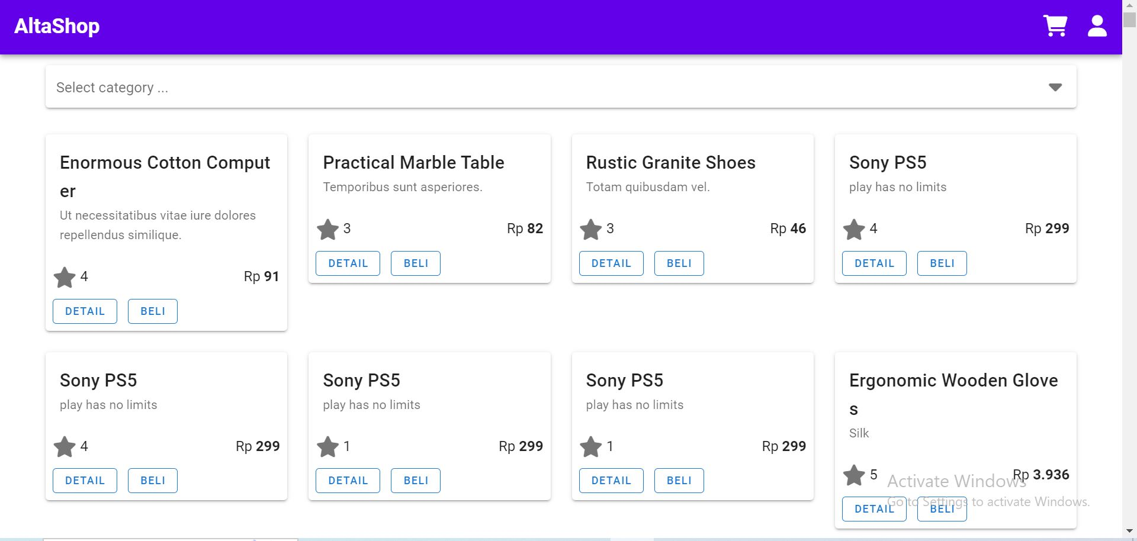 | 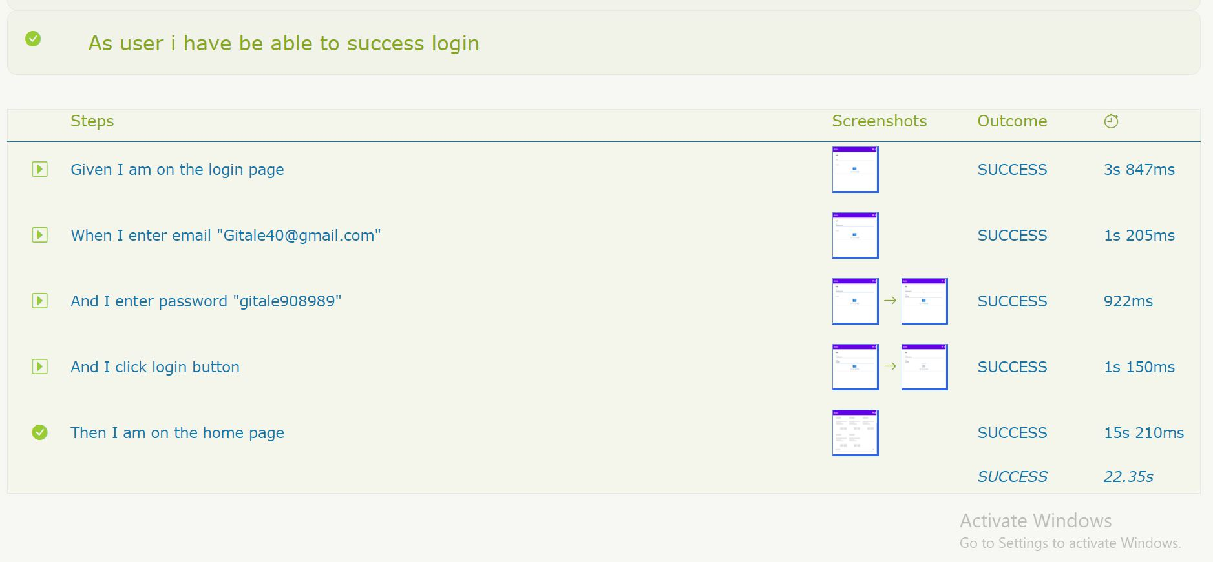
TC WEB05 |  | user input with unregistered email and password | High | Negative | 1. Stable internet connection 2. Already access with https://alta-shop.vercel.app/auth/login web browser 3. Already access user login form | email : meoooo234@gmail.com password : meooo234 | 1. open a browser to access the link https://alta-shop.vercel.app/login 2. click logo login 3. input valid email 4. input valid password 5. click button login | Failed to login and error message "record not found" | Failed to login and error message "record not found" | Passed | Passed | 5/6/2023 | 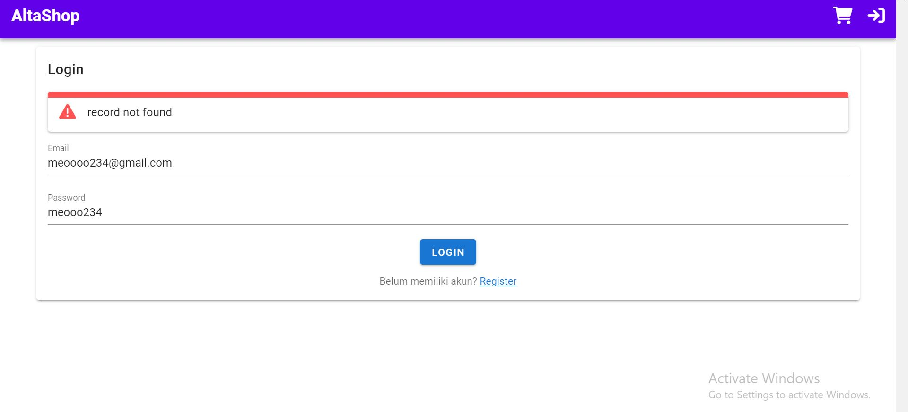
TC WEB06 |  | user login with input invalid email credentials of the field email | High | Negative | 1. Stable internet connection 2. Already access with https://alta-shop.vercel.app/auth/login web browser 3. Already access user login form | Email : gita444mail.com password:seruuuu | 1. open a browser to access the link https://alta-shop.vercel.app/login 2. click logo login 3. input valid email 4. input valid password 5. click button login | failed to login, unable to enter the home page and displays an error message | Successfully logged in and redirected to the home page | Passed | Passed | 5/6/2023 |  | 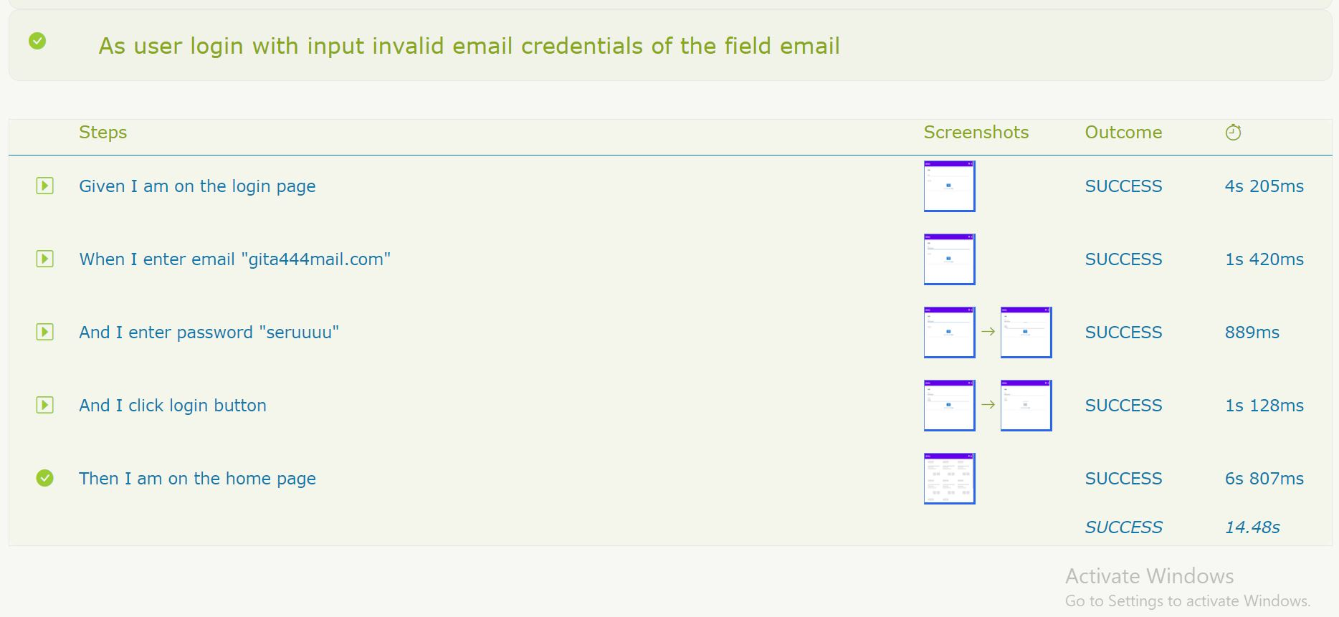

TC WEB07 | Select category | Select the product category you want to search for | Medium | Positive | 1. Stable internet connection 2. Already access with https://alta-shop.vercel.app/auth/login web browser 3. Already access user login form 4. Already access alta shop home page | Category : furniture | 1. Open web browser to access link https://alta-shop.vercel.app/auth/category 2. Go to login form 3. Fill out the email field with gitaleoni2121@gmail.com 4. Fill the password 5. Click login button 6. Click select category product 7. Click product category Furniture | Displays the product category you are looking for | The product you are looking for cannot be displayed category displays a warning message "Product is empty!" | Failed | Passed | 5/6/2023 | 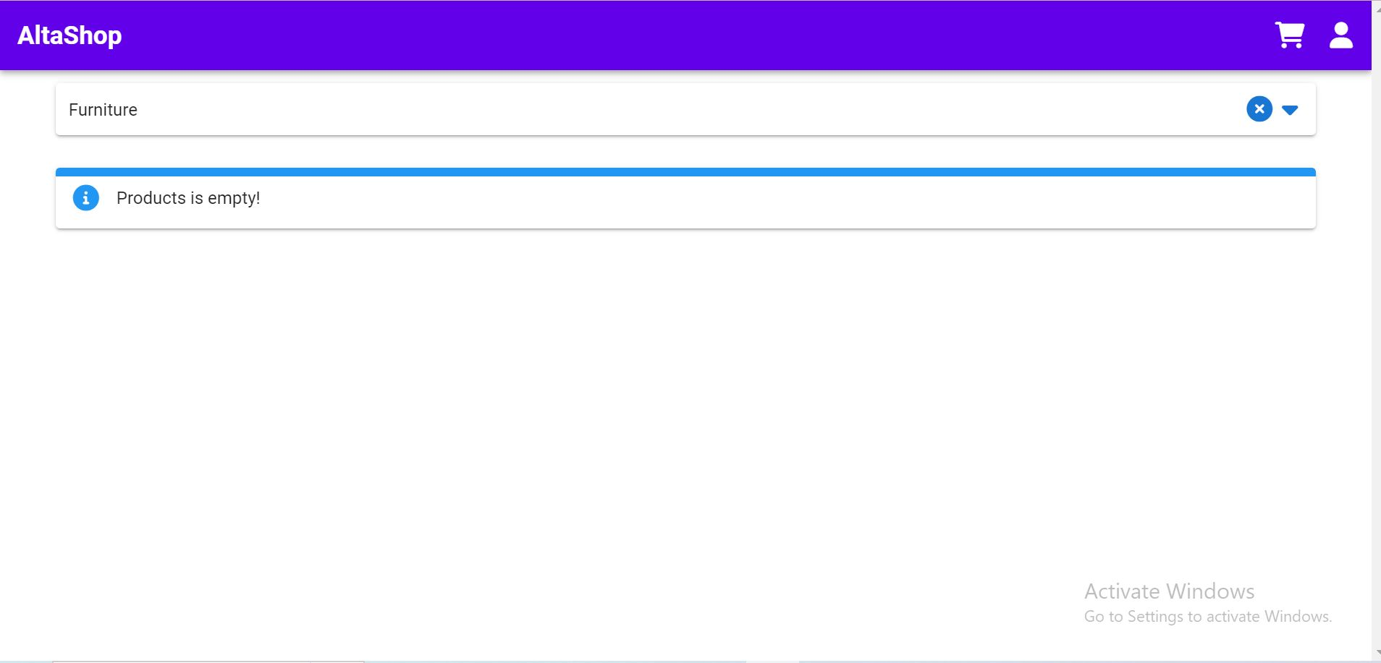 | 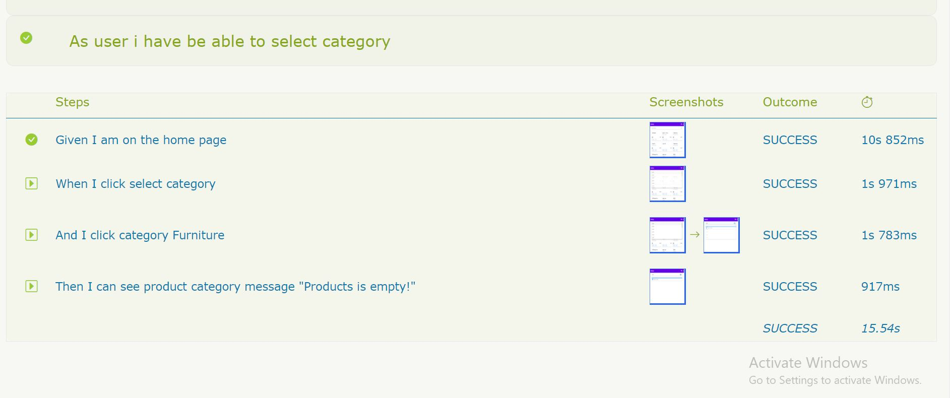

TC WEB08 | Detail Product | View product details | Medium | Positive | 1. Stable internet connection 2. Already access with https://alta-shop.vercel.app/auth/login web browser 3. Already access user login form 4. Already access alta shop home page | product name :Sony PS5 price : Rp 299 rating : 4 | 1. Open web browser to access link https://alta-shop.vercel.app/auth/detail 2. Go to login form 3. Fill out the email field with gitaleoni2121@gmail.com 5. Click login button 6. Click detail of productSoni PS5 | displays product details | displays product details | Passed | Passed | 5/6/2023

TC WEB09 | Add to cart | Select a product and added to cart | High | Positive | 1. Stable internet connection 2. Already access with https://alta-shop.vercel.app/auth/login web browser 3. Already access user login form 4. Already access alta shop home page | product name : Practical Marble Table price : Rp 82 total product : 1 | 1. Open web browser to access link https://alta-shop.vercel.app/auth/order 2. Go to login form 3. Fill out the email field with gitaleoni2121@gmail.com 4. Fill the password 5. Click login button 6. Click beli button | Product successfully added to cart | Product successfully added to cart | Passed | Passed | 5/6/2023
TC WEB10 |  | choose more than one product and add it to the cart | High | Positive | 1. Stable internet connection 2. Already access with https://alta-shop.vercel.app/auth/login web browser 3. Already access user login form 4. Already access alta shop home page | product name: Sony PS5 price: Rp 299 total product : 1 product name : Sony PS5 price : Rp 299 total product : 1 | 1. Open web browser to access link https://alta-shop.vercel.app/auth/order 2. Go to login form 3. Fill out the email field with gitaleoni2121@gmail.com 4. Fill the password 5. Click login button 6. Click beli button | All products have been successfully added to cart | All products have been successfully added to cart | Passed | Passed | 5/6/2023
TC WEB11 |  | Click pay on the selected product | High | Positive | 1. Stable internet connection 2. Already access with https://alta-shop.vercel.app/auth/login web browser 3. Already access user login form 4. Already access alta shop home page | product name : Practical Marble Table price : Rp 82 total product : 1 | 1. Open web browser to access link https://alta-shop.vercel.app/auth/order 2. Go to login form 3. Fill out the email field with gitaleoni2121@gmail.com 4. Fill the password 5. Click login button 6. Click beli button | The product has been successfully clicked and paid | The product has been successfully clicked to pay and leads to a transaction | Passed | Passed | 5/6/2023

TC WEB12 | Transaction History | View the transaction history | Medium | Positive | 1. Stable internet connection 2. Already access with https://alta-shop.vercel.app/auth/login web browser 3. Already access user login form 4. Already access alta shop home page 5. Already access user menu on the top navigation |  | 1. Open web browser to access link https://alta-shop.vercel.app/auth/transaction 2. Go to login form 3. Fill out the email field with gitaleoni2121@gmail.com 4. Fill the password 5. Click login button 6. Click user menu 7. Click Transaksi Button | Show the all transaction history | Show the all transaction history | Passed | Passed | 5/6/2023

TC WEB13 | Logout | Logout from user account | High | Positive | 1. Stable internet connection 2. Already access with https://alta-shop.vercel.app/auth/login web browser 3. Already access user login form 4. Already access alta shop home page 5. Already access user menu on the top navigation |  | 1. Open web browser to access link https://alta-shop.vercel.app/auth/transaction 2. Go to login form 3. Fill out the email field with gitaleoni2121@gmail.com 4. Fill the password 5. Click login button 6. Click user menu 7. Click Logout Button | Logout from user account and direct to login form | Logout from user account and direct to login form | Passed | no exsecution | 5/6/2023

Scenario = 5 Fitur
Total Tes Case = 13
succes manual case = 11
failed manual case = 2

Automation Test Case = 10
Automation Succes = 10
Automation Failed = 0

